Sheet1
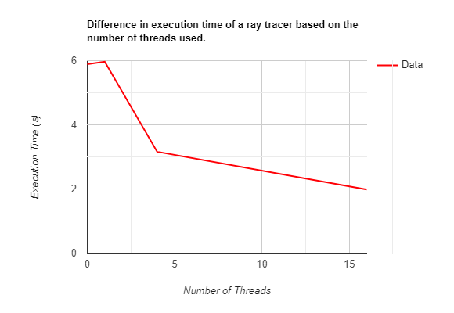
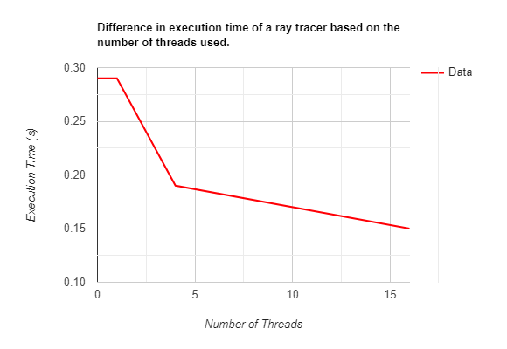
DEBUG | Threads | Execution Time (s) | RELEASE | Threads | Execution Time (s)
 | 0 | 5.89 |  | 0 | 0.29
 | 1 | 5.97 |  | 1 | 0.29
 | 4 | 3.16 |  | 4 | 0.19
 | 16 | 1.98 |  | 16 | 0.15

